Cover Page
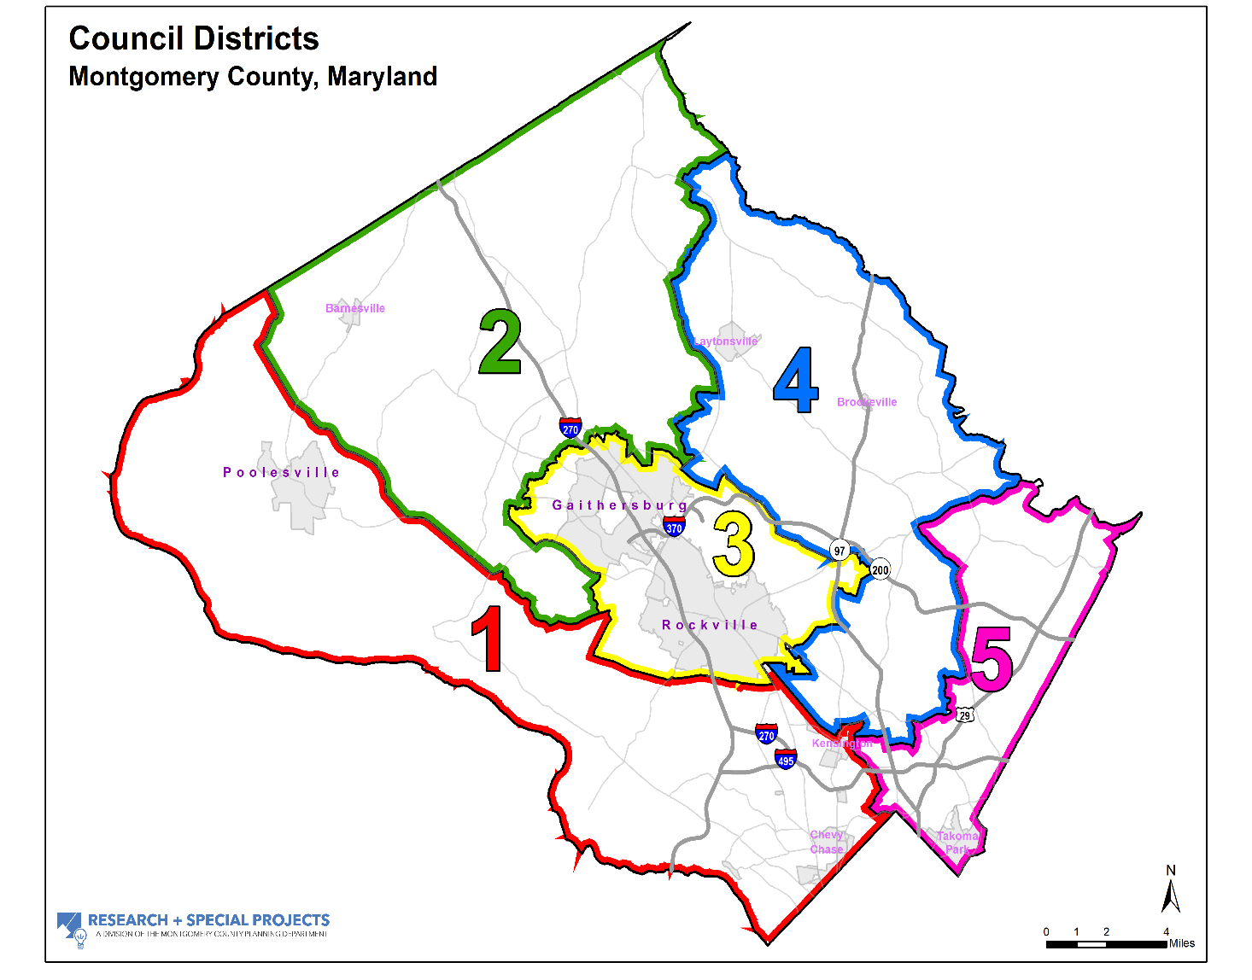
Demographic Profile of Council Districts Montgomery County, MD (2016)
The legislative branch of the Montgomery County Government consists of five representative Council Districts and four at-large Council seats. The Charter of Montgomery County requires the Council Districts be compact, contiguous and substantially equal in population. Boundaries for the current Council Districts were adopted in 2011 and are redrawn every 10 years using total population counts by election precinct from the U.S. Decennial Census. Since 2010, the County’s population increased by 5.6 percent, gaining about 55,000 people by 2016. Population growth in three areas, District 2 (6.7 percent), District 5 (6.5 percent), and District 3 (6.4 percent) outpaced the County’s rate of growth. These Districts each gained over 12,500 residents between 2010 and 2016. The most populous area is District 3 with 210,264 residents and District 4 at 199,959 is the least populated. A demographic profile of the Council Districts is reported in the following tables. Block group data compiled from the 2012-2016 American Community Survey, 5-year estimate are aggregated approximating, with a few minor exceptions, the legal boundaries of the Council Districts. A spreadsheet containing the profile is available on the Research and Special Projects’ website (link below). The County Council webpage offers an interactive Council District map (link below) to determine which Council District you live in.
 | Research and Special Projects' website | Interactive Council District Map

For more information:
Pamela Zorich, Research Coordinator |  | Pamela.Zorich@MontgomeryPlanning.org
Caroline McCarthy, Chief of Research and Special Projects |  | Caroline.McCarthy@MontgomeryPlanning.org

CD Estimate-Percentage Table
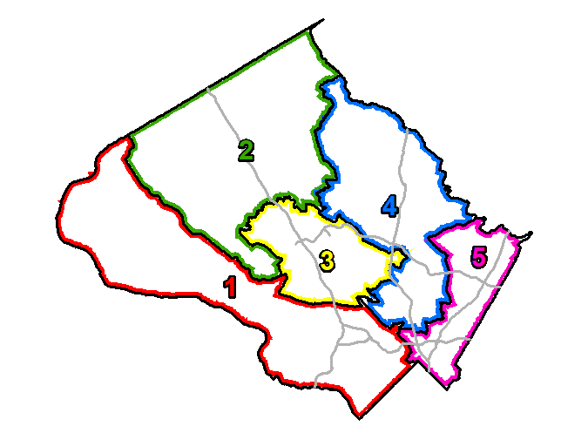
Demographic Profile of Council Districts
Montgomery County, MD (2016)
 | District 1 |  | District 2 |  | District 3 |  | District 4 |  | District 5 |  | COUNTY
 | Estimate | % | Estimate | % | Estimate | % | Estimate | % | Estimate | % | Estimate | %
Total Population | 207,377 | 20.2% | 202,133 | 19.7% | 210,264 | 20.5% | 199,959 | 19.5% | 206,638 | 20.1% | 1,026,371 | 100.0%
Population living in households | 205,056 | 98.9% | 201,282 | 99.6% | 207,760 | 98.8% | 198,468 | 99.3% | 205,018 | 99.2% | 1,017,584 | 99.1%
Average household size | 2.52 |  | 2.99 |  | 2.65 |  | 3.04 |  | 2.72 |  | 2.77
Age
Under 18 years | 47,908 | 23.1% | 54,201 | 26.8% | 46,083 | 21.9% | 46,796 | 23.4% | 46,716 | 22.6% | 241,704 | 23.6%
18-34 years | 32,544 | 15.7% | 43,270 | 21.4% | 46,753 | 22.2% | 44,912 | 22.5% | 50,745 | 24.6% | 218,224 | 21.3%
35-49 years | 42,636 | 20.6% | 45,897 | 22.7% | 43,326 | 20.6% | 40,227 | 20.1% | 45,330 | 21.9% | 217,416 | 21.2%
50-64 years | 45,518 | 22.0% | 41,699 | 20.6% | 39,944 | 19.0% | 42,259 | 21.1% | 38,920 | 18.8% | 208,340 | 20.3%
65 years and older | 38,771 | 18.7% | 17,066 | 8.4% | 34,158 | 16.3% | 25,765 | 12.9% | 24,927 | 12.1% | 140,687 | 13.7%
Race and Hispanic Origin
Not Hispanic: | 189,826 | 91.5% | 163,327 | 80.8% | 170,699 | 81.2% | 147,151 | 73.6% | 164,818 | 79.8% | 835,821 | 81.4%
White | 148,282 | 71.5% | 81,078 | 40.1% | 96,216 | 45.8% | 77,258 | 38.6% | 68,642 | 33.2% | 471,476 | 45.9%
Black | 9,861 | 4.8% | 38,393 | 19.0% | 25,641 | 12.2% | 36,994 | 18.5% | 67,007 | 32.4% | 177,896 | 17.3%
Asian or Pacific Islander | 24,945 | 12.0% | 36,850 | 18.2% | 40,965 | 19.5% | 25,404 | 12.7% | 21,041 | 10.2% | 149,205 | 14.5%
Other race | 6,738 | 3.3% | 7,006 | 3.5% | 7,877 | 3.8% | 7,495 | 3.8% | 8,128 | 3.9% | 37,244 | 3.6%
Hispanic/Latino (may be of any race) | 17,551 | 8.5% | 38,806 | 19.2% | 39,565 | 18.8% | 52,808 | 26.4% | 41,820 | 20.2% | 190,550 | 18.6%
Minority population | 59,095 | 28.5% | 121,055 | 59.9% | 114,048 | 54.2% | 122,701 | 61.4% | 137,996 | 66.8% | 554,895 | 54.1%
Language Spoken at Home
Population 5 years and over | 196,341 |  | 187,816 |  | 196,264 |  | 186,927 |  | 192,224 |  | 959,572
English only | 142,254 | 72.5% | 112,933 | 60.1% | 109,197 | 55.6% | 101,795 | 54.5% | 111,273 | 57.9% | 577,452 | 60.2%
Language other than English | 54,087 | 27.5% | 74,883 | 39.9% | 87,067 | 44.4% | 85,132 | 45.5% | 80,951 | 42.1% | 382,120 | 39.8%
Speak English less than "very well" | 13,505 | 6.9% | 26,228 | 14.0% | 33,601 | 17.1% | 33,503 | 17.9% | 30,034 | 15.6% | 136,871 | 14.3%
Residence 1 year ago | 205,544 |  | 199,631 |  | 207,280 |  | 197,128 |  | 204,307 |  | 1,013,890
Same house | 179,139 | 87.2% | 170,581 | 85.5% | 173,228 | 83.6% | 172,303 | 87.4% | 172,456 | 84.4% | 867,707 | 85.6%
Moved | 21,753 | 10.6% | 26,486 | 13.3% | 30,250 | 14.6% | 22,832 | 11.6% | 28,380 | 13.9% | 129,701 | 12.8%
Abroad | 4,652 | 2.3% | 2,564 | 1.3% | 3,802 | 1.8% | 1,993 | 1.0% | 3,471 | 1.7% | 16,482 | 1.6%
Educational Attainment
Persons 25 years and older: | 147,245 |  | 131,216 |  | 147,548 |  | 135,291 |  | 142,677 |  | 703,977
Less than high school diploma | 3,207 | 2.2% | 9,995 | 7.6% | 14,230 | 9.6% | 18,058 | 13.3% | 16,715 | 11.7% | 62,205 | 8.8%
High school grad/some college | 25,951 | 17.6% | 52,394 | 39.9% | 46,775 | 31.7% | 55,739 | 41.2% | 51,864 | 36.4% | 232,723 | 33.1%
Bachelor's degree | 44,228 | 30.0% | 36,489 | 27.8% | 39,810 | 27.0% | 32,311 | 23.9% | 34,135 | 23.9% | 186,973 | 26.6%
Graduate or professional degree | 73,859 | 50.2% | 32,338 | 24.6% | 46,733 | 31.7% | 29,183 | 21.6% | 39,963 | 28.0% | 222,076 | 31.5%
Bachelor's degree or higher | 118,087 | 80.2% | 68,827 | 52.5% | 86,543 | 58.7% | 61,494 | 45.5% | 74,098 | 51.9% | 409,049 | 58.1%
Class of Worker
Civilian employed 16 years and over | 106,621 |  | 108,740 |  | 109,475 |  | 107,093 |  | 113,307 |  | 545,236
Private wage and salary | 72,579 | 68.1% | 80,901 | 74.4% | 79,209 | 72.4% | 79,613 | 74.3% | 82,404 | 72.7% | 394,706 | 72.4%
Government | 25,523 | 23.9% | 22,882 | 21.0% | 23,788 | 21.7% | 20,590 | 19.2% | 24,414 | 21.6% | 117,197 | 21.5%
Self-employed | 8,365 | 7.9% | 4,849 | 4.5% | 6,394 | 5.8% | 6,754 | 6.3% | 6,356 | 5.6% | 32,718 | 6.0%
Unpaid family workers | 154 | 0.1% | 108 | 0.1% | 84 | 0.1% | 136 | 0.1% | 133 | 0.1% | 615 | 0.1%
Place of Work
Workers 16 years and over | 105,954 |  | 107,212 |  | 108,355 |  | 105,234 |  | 111,059 |  | 537,814
Live and work in the County | 54,570 | 51.5% | 77,831 | 72.6% | 75,668 | 69.8% | 65,408 | 62.2% | 51,081 | 46.0% | 324,558 | 60.3%
Work in elsewhere in Maryland | 7,150 | 6.7% | 10,387 | 9.7% | 7,666 | 7.1% | 13,246 | 12.6% | 21,730 | 19.6% | 60,179 | 11.2%
Work outside of Maryland | 44,234 | 41.7% | 18,994 | 17.7% | 25,021 | 23.1% | 26,580 | 25.3% | 38,248 | 34.4% | 153,077 | 28.5%
Work Trip
Drove | 72,549 | 68.5% | 88,823 | 82.8% | 82,324 | 76.0% | 81,392 | 77.3% | 78,550 | 70.7% | 403,638 | 75.1%
Alone | 65,379 | 61.7% | 77,837 | 72.6% | 71,197 | 65.7% | 70,021 | 66.5% | 67,405 | 60.7% | 351,839 | 65.4%
Carpool | 7,170 | 6.8% | 10,986 | 10.2% | 11,127 | 10.3% | 11,371 | 10.8% | 11,145 | 10.0% | 51,799 | 9.6%
Public transportation | 16,983 | 16.0% | 10,975 | 10.2% | 16,701 | 15.4% | 16,934 | 16.1% | 23,354 | 21.0% | 84,947 | 15.8%
Walked and other means | 6,823 | 6.4% | 2,283 | 2.1% | 3,487 | 3.2% | 2,036 | 1.9% | 4,161 | 3.7% | 18,790 | 3.5%
Worked at home | 9,599 | 9.1% | 5,131 | 4.8% | 5,843 | 5.4% | 4,872 | 4.6% | 4,994 | 4.5% | 30,439 | 5.7%
Source: 2012-2016 American Community Survey, 5-year estimate. Compiled by Research & Special Projects, Montgomery County Department of Planning, M-NCPPC.
Total Housing Units | 85,708 | 22.2% | 70,445 | 18.3% | 82,258 | 21.3% | 67,772 | 17.6% | 79,302 | 20.6% | 385,485 | 100.0%
Detached, single-family | 50,073 | 58.4% | 29,059 | 41.3% | 30,627 | 37.2% | 40,346 | 59.5% | 33,680 | 42.5% | 183,785 | 47.7%
Attached, single-family | 7,077 | 8.3% | 26,086 | 37.0% | 17,761 | 21.6% | 11,075 | 16.3% | 9,518 | 12.0% | 71,517 | 18.6%
2 to 4 units | 1,064 | 1.2% | 1,259 | 1.8% | 1,562 | 1.9% | 691 | 1.0% | 2,364 | 3.0% | 6,940 | 1.8%
5 to 19 units | 4,735 | 5.5% | 11,455 | 16.3% | 15,941 | 19.4% | 11,112 | 16.4% | 13,160 | 16.6% | 56,403 | 14.6%
20 units or more | 22,594 | 26.4% | 2,357 | 3.3% | 16,122 | 19.6% | 4,462 | 6.6% | 20,505 | 25.9% | 66,040 | 17.1%
Other | 165 | 0.2% | 229 | 0.3% | 245 | 0.3% | 86 | 0.1% | 75 | 0.1% | 800 | 0.2%
Total Households | 81,331 | 22.1% | 67,311 | 18.3% | 78,479 | 21.3% | 65,251 | 17.7% | 75,392 | 20.5% | 367,764 | 100.0%
Owner-occupied | 58,234 | 71.6% | 50,202 | 74.6% | 47,062 | 60.0% | 46,303 | 71.0% | 39,400 | 52.3% | 241,201 | 65.6%
Renter-occupied | 23,097 | 28.4% | 17,109 | 25.4% | 31,417 | 40.0% | 18,948 | 29.0% | 35,992 | 47.7% | 126,563 | 34.4%
Average Monthly Costs
Homeowner (all) | $2,996 |  | $2,109 |  | $2,092 |  | $2,016 |  | $1,981 |  | $2,270
Homeowner (mortgage or loan) | $3,760 |  | $2,390 |  | $2,600 |  | $2,437 |  | $2,377 |  | $2,723
Renter (gross rent) | $1,977 |  | $1,562 |  | $1,659 |  | $1,559 |  | $1,497 |  | $1,646
Households Spending More Than
35% of Income on Housing Costs
% Homeowners (with mortgage) | 8,050 | 19.7% | 8,832 | 21.0% | 7,565 | 22.5% | 9,062 | 25.8% | 6,167 | 20.4% | 39,676 | 21.8%
% Renters | 7,385 | 33.3% | 6,864 | 42.0% | 12,386 | 41.0% | 8,426 | 46.2% | 14,747 | 42.6% | 49,808 | 41.0%
2016 Household Income Distribution
Under $50,000 | 11,893 | 14.6% | 14,230 | 21.1% | 20,434 | 26.0% | 16,667 | 25.5% | 22,041 | 29.2% | 85,265 | 23.2%
$50,000 to $99,999 | 15,159 | 18.6% | 19,761 | 29.4% | 21,651 | 27.6% | 19,184 | 29.4% | 22,084 | 29.3% | 97,839 | 26.6%
$100,000 to 149,999 | 14,062 | 17.3% | 13,966 | 20.7% | 15,210 | 19.4% | 12,617 | 19.3% | 15,305 | 20.3% | 71,160 | 19.3%
$150,000 or more | 40,217 | 49.4% | 19,354 | 28.8% | 21,184 | 27.0% | 16,783 | 25.7% | 15,962 | 21.2% | 113,500 | 30.9%
Average 2016 Household Income | $211,073 |  | $119,519 |  | $119,756 |  | $115,364 |  | $103,761 |  | $135,849
Type of Households
Families | 54,439 | 66.9% | 51,633 | 76.7% | 52,153 | 66.5% | 49,096 | 75.2% | 48,807 | 64.7% | 256,128 | 69.6%
Married-couples | 47,264 | 58.1% | 39,540 | 58.7% | 40,570 | 51.7% | 36,022 | 55.2% | 35,043 | 46.5% | 198,439 | 54.0%
Other families | 7,175 | 8.8% | 12,093 | 18.0% | 11,583 | 14.8% | 13,074 | 20.0% | 13,764 | 18.3% | 57,689 | 15.7%
Families with children | 21,693 | 26.7% | 20,570 | 30.6% | 18,272 | 23.3% | 15,744 | 24.1% | 16,357 | 21.7% | 92,636 | 25.2%
Nonfamily | 26,892 | 33.1% | 15,678 | 23.3% | 26,326 | 33.5% | 16,155 | 24.8% | 26,585 | 35.3% | 111,636 | 30.4%
Living alone | 22,648 | 27.8% | 12,937 | 19.2% | 21,819 | 27.8% | 13,067 | 20.0% | 21,059 | 27.9% | 91,530 | 24.9%
Unrelated | 4,244 | 5.2% | 2,741 | 4.1% | 4,507 | 5.7% | 3,088 | 4.7% | 5,526 | 7.3% | 20,106 | 5.5%
Availability of Vehicles in Households
No vehicles available | 5,411 | 6.7% | 3,030 | 4.5% | 6,519 | 8.3% | 4,370 | 6.7% | 9,058 | 12.0% | 28,388 | 7.7%
Source: 2012-2016 American Community Survey, 5-year estimate. Compiled by Research & Special Projects, Montgomery County Department of Planning, M-NCPPC.

